PO
IMAGE | STYLE NUMBER | EAN NUMBER | BRAND | PRODUCT DESCRIPTION | RRP (EUR) | AVAILABLE UNITS | pack size | COUNTRY OF ORIGIN | Unkts per Box
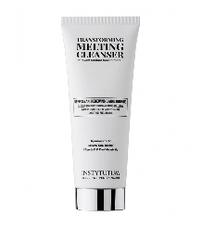 | INS0065 | 7649996589026 | INSTYTUTUM | Transforming Melting Cleanser | € 55.00 | 1,500 | 120 ml | Germany | 6
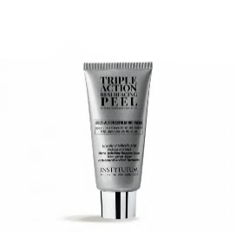 | INS0067 | 7649996589033 | INSTYTUTUM | Triple Action Resurfacing Peel | € 77.00 | 7,000 | 60 ml | Germany
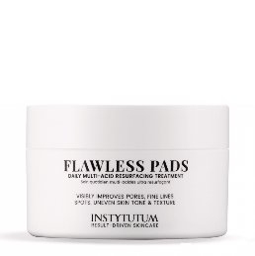 | INS0027 | 7640162870313 | INSTYTUTUM | Flawless pads | € 87.00 | 7,000 | 60 pads, 80 ml | Switzerland
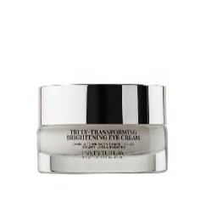 | INS0070 | 7649996589057 | INSTYTUTUM | Truly-Transforming Brightening Eye Cream | € 87.00 | 10,000 | 15 ml | Germany
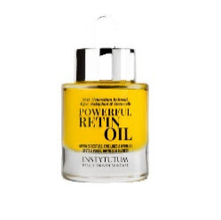 | INS0034 | 7640162870184 | INSTYTUTUM | Powerful RetinOil | € 125.00 | 7,000 | 30 ml | Germany
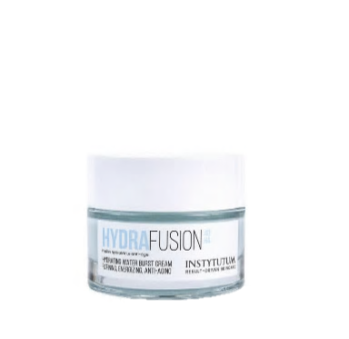 | INS0043 | 7640162870665 | INSTYTUTUM | HydraFusion 4D Hydrating Water Burst Cream | € 79.00 | 7,000 | 50 ml | Germany
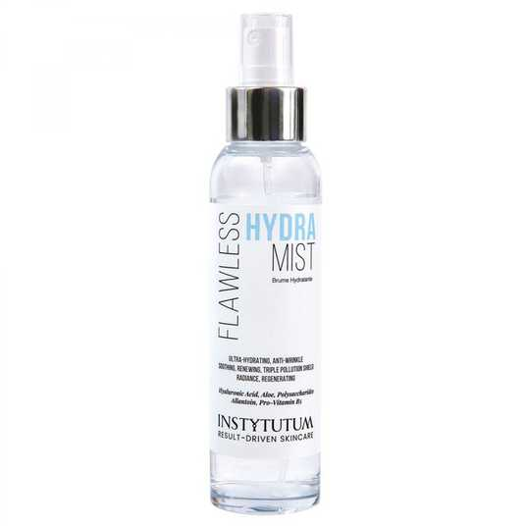 | INS0044 | 7640162870672 | INSTYTUTUM | Flawless Hydra Mist | € 49.00 | 7,000 | 100 ml | Germany
 | INS0055 | 7640162870818 | INSTYTUTUM | A-Superpacked X-strength Retinol Serum | € 135.00 | 5,000 | 30 ml | Germany
 | INS0068 | 7649996589019 | INSTYTUTUM | SuperBiotic Plant-Based Ceramide Cream | € 89.00 | 5,000 | 50 ml | Germany
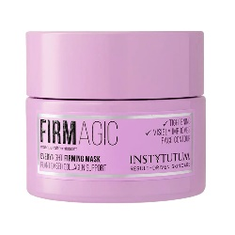 | INS0081 | 7649996589217 | INSTYTUTUM | Firmagic Everynight Firming Mask | € 105.00 | 10,000 | 50 ml | Switzerland
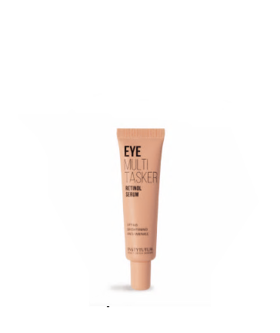 | INS0086 | 7649996589286 | INSTYTUTUM | EYEMULTITASKER Retinol Serum | € 87.00 | 10,000 | 15 ml | Germany
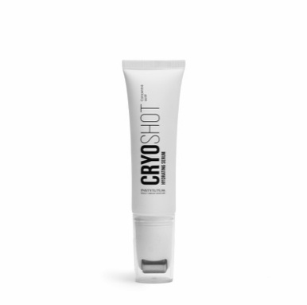 | INS0060 | 7649996589408 | INSTYTUTUM | CRYOshot Hydrating Serum | € 125.00 | 7,000 | 30 ml | Germany
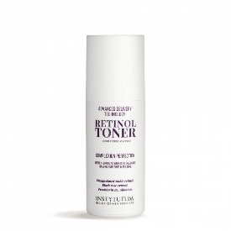 | INS0054 | 7640162870801 | INSTYTUTUM | Advanced Retinol Toner | € 65.00 | 5,000 | 150 ml | Germany
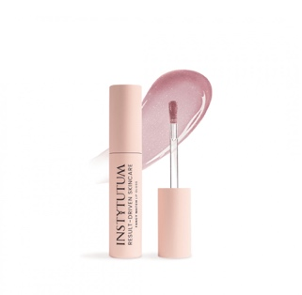 | INS0090 | 7649996589316 | INSTYTUTUM | FANCY MATCH LIP GLOSS | € 28.00 | 5,000 | 3,5 ml | Italy

 |  |  |  |  |  | 93,500

